Forms
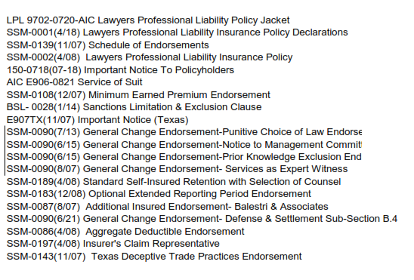
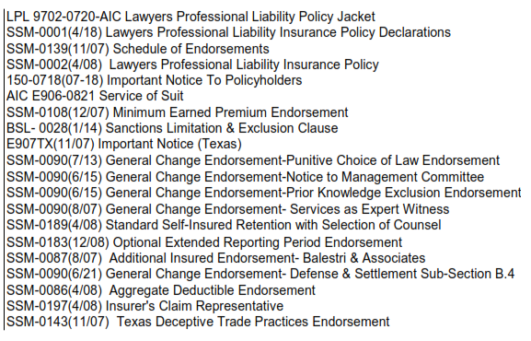
PATRA Forms Schedule Comparison

Renewal Policy Forms Schedule |  |  | Binder Forms Schedule |  | Quote Forms Schedule

 | New Form | Edition Date/ Form Number |  | Not included on Renewal/Current
 |  |  |  |  | 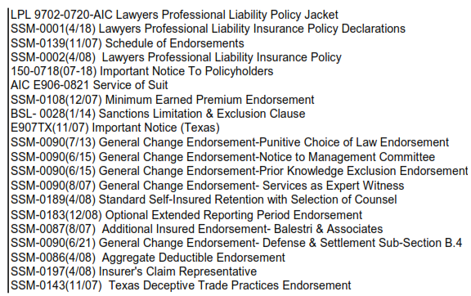
 | No Changes to Forms list

Internal Instructions
Checklist Instructions

 | This checklist has specific columns for ease of use and to reduce/eliminate excess typing. The new structure is as follows:

 | Column Heading |  | Description
 | Policy Checking Fact |  | Includes coverage types and facts that require checking. There are headers, subheadings and individual facts that are noted by different shades of gray throughout the checklist.
 | Page # |  | The page number where the fact is found in the policy should be recorded in this column.
 | Specific AMS (Agency Management System) |  | Includes a drop-down selection for Match, Not Match or Updated AMS. Select the appropriate option to record whether the policy and AMS match, do not match or the fact has been updated in the AMS (this has to be specifically requested by the customer).
 | Policy Comments |  | IF policy does NOT match AMS, type the fact as it is found in the policy. Type the fact ONLY, do not include additional text. If there are more than 2 discrepancies for any single fact take a screen shot of the items, paste to a new worksheet and label it.
 | AMS Comments |  | IF policy does NOT match AMS, type the fact as it is found in the AMS. Type the fact ONLY, do not include any additional text. If there are more than 2 discrepancies for any single fact take a screen shot of the items, paste to a new worksheet and label it.
 | Source |  | This column includes a drop-down to select Match or Not Match. Select the appropriate option to record whether the source document matches or does not match the policy.
 | Source Comments |  | IF source document does NOT match the policy , enter the fact from the source document in this column. Type the fact ONLY, do not include additional text. If there are more than 2 discrepancies for any single fact take a screen shot of the items, paste to a new worksheet and label it.

 | Note: For Discrepancies Only policy checks, source columns will gray out, indicating Not Applicable. No typing or selections should be made in fields marked as Not Applicable.

 | Completing the Checklist
 | 1. Open the Policy, Agency Management System and applicable Source document(s). Arrange the information sources as indicated below:
POLICY
AMS Screen
Checklist
Additional Source Document

 | 2. Locate the applicable sections of the checklist needed to check the specific type of policy and expand those sections (the default view of the checklist should have all sections collapse).
 | 3. Complete the Header information (Rows 2-6) to ensure proper policy/process information is recorded:
 | Note: IF checking a source document, insert the name of the document in the header (row 10) <Source> and <Source> Comments.
 | 4. Start with the first policy checking fact in the checklist (Row 12, Named Insured) and locate the fact in the policy, complete the Page # column.
 | 5. In the AMS, locate the fact being checked and compare it to the policy, select Match or Not Match accordingly.
 | 6. If Policy and AMS do NOT match, enter the fact as it appears in the policy in Policy Comments column and the fact as it appears in the AMS in AMS Comments column.
 | 7. Proceed to check the Source document (if required) and indicate if the Source is a Match or Not Match to the policy. If the source document does not match the Policy, enter the fact as it appears in the source document in the <Source> Comments column. Do NOT check any fields that are gray, these are not applicable.
 | 8. Proceed to the next fact and repeat steps 4-7 until all applicable sections have been completed.

 | Schedules
 | 1. If there are more than 2 items in any given fact checked (Drivers, Vehicles, Additional Interests, Locations, etc.) a screenshot of the information should be taken from the policy and AMS and entered in the Schedules tab.
 | Note: No highlighting should be done on the screenshot itself, all highlights will be completed after the screenshots have been placed in the Schedules tab.
 | 2. Copy/paste the screen shot in the appropriate section of the Schedules tab.

 | 3. At the top of the Schedules tab, there is a yellow highlighter box and a NL formatted box. These can be copy/pasted and used when needed as shown below:

 | Forms
 | 1. Take a screenshot of the Renewal forms list and insert it into the left side of the Forms tab.
 | 2. Take a screenshot of the Expiring forms list and insert it into the left side of the Forms tab.
 | Note: No highlighting should be done on the screenshot itself, all highlights will be completed after the screenshots have been placed in the Schedules tab.
 | 3. Using the preset highlighting boxes, highlight the following:
 |  | - New Forms (yellow)
 |  | - Edition Date/Form Number changes (orange)
 |  | - Forms not included on the Renewal/Current policy (green)
 |  | - For items that are NL, Not Listed, use NL format box.
 | Note: All highlights should be done on the specific area that differs, for example the form number:

 | Printing to PDF
 | 1. File -> Print -> PDF Printer (Print to PDF)

 | 2. In Settings options, select to Print all active sheets. This will ensure the checklist, forms and schedules tabs print together into one PDF file.
 | 3. Select Print, file explorer window should open and allow you to name/save document. Save to desktop/drive in preparation for delivery to client.

